Sheet1
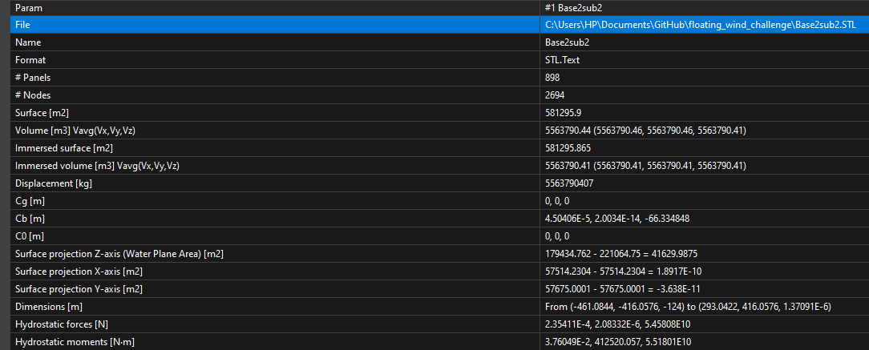
Floater new | K
#1 body.
 | surge | sway | heave | roll | pitch | yaw
surge | 0 | 0 | 0 | 0 | 0 | 0
sway | 0 | 0 | 0 | 0 | 0 | 0
heave | 0 | 0 | 410000000 | -0.00028 | -3937 | 0
roll | 0 | 0 | -0.00028 | 18000000000000 | -58000000000 | -2500000
pitch | 0 | 0 | -3937 | -58000000000 | 17000000000000 | -0.0011
yaw | 0 | 0 | 0 | 0 | 0 | 0

spar_125 | A(inf) | d = 0.125m | h = 0.12m |  |  |  | spar_125 | K |  |  |  |  |  | spar_125 | B | 4.1 rad/s
#1 body. axisym |  |  |  |  |  |  | #1 body. axisym |  |  |  |  |  |  | #1 body. axisym
 | surge | sway | heave | roll | pitch | yaw |  | surge | sway | heave | roll | pitch | yaw |  | surge | sway | heave | roll | pitch | yaw
surge | 3.691 | 0 | 0 | 0 | -0.38 | 0 | surge | 0 | 0 | 0 | 0 | 0 | 0 | surge | 0.4025777561 | 0 | 0 | 0 | -0.038449326829 | 0
sway | 0 | 3.691 | 0 | 0.383 | 0 | 0 | sway | 0 | 0 | 0 | 0 | 0 | 0 | sway | 0 | 0.40257639024 | 0 | 0.03844924878 | 0 | 0
heave | 0 | 0 | 3.914 | 0 | 0 | 0 | heave | 0 | 0 | 480.9 | 0 | 0 | 0 | heave | 0 | 0 | 3.945124878 | 0 | 0 | 0
roll | 0 | 0.384 | 0 | 0.047 | 0 | 0 | roll | 0 | 0 | 0 | -5.09 | 0 | 0 | roll | 0 | 0.038596019512 | 0 | 0.0036861960976 | 0 | 0
pitch | -0.38 | 0 | -0.00000002 | 0 | 0.047 | 0 | pitch | 0 | 0 | 0 | 0 | -5.09 | 0 | pitch | -0.038596078049 | 0 | 0 | 0 | 0.0036862029268 | 0
yaw | 0 | 0 | 0 | 0 | 0 | 0 | yaw | 0 | 0 | 0 | 0 | 0 | 0 | yaw | 0 | 0 | 0 | 0 | 0 | 0

spar_1_075 | A(inf) | d1 = 0.075m | h1 = 0.12m | d2 = 0.365m | h2 = 0.001 |  | spar_1_075 | K |  |  |  |  |  | spar_1_075 | B | 4.1 rad/s
#1 body. axisym |  |  |  |  |  |  | #1 body. axisym |  |  |  |  |  |  | #1 body. axisym
 | surge | sway | heave | roll | pitch | yaw |  | surge | sway | heave | roll | pitch | yaw |  | surge | sway | heave | roll | pitch | yaw
surge | 3.399 | 0 | 0 | 0 | -6.36 | 0 | surge | 0 | 0 | 0 | 0 | 0 | 0 | surge | 0.79453726829 | 0 | 0 | 0 | -2.4918517073 | 0
sway | 0 | 3.399 | 0 | 6.365 | 0 | 0 | sway | 0 | 0 | 0 | 0 | 0 | 0 | sway | 0 | 0.79461053659 | 0 | 2.4918146341 | 0 | 0
heave | 0 | 0 | 17.48 | 0 | 0 | 0 | heave | 0 | 0 | 172.9 | 0 | 0 | 0 | heave | 0 | 0 | -11.298468293 | 0 | 0 | 0
roll | 0 | -1.97 | 0 | 1.112 | 0 | 0 | roll | 0 | 0 | 0 | -3.2 | 0 | 0 | roll | 0 | -0.25415570732 | 0 | -0.80162907317 | 0 | 0
pitch | 1.967 | 0 | 0 | 0 | 1.112 | 0 | pitch | 0 | 0 | 0 | 0 | -3.2 | 0 | pitch | 0.25411717073 | 0 | 0 | 0 | -0.80159795122 | 0
yaw | 0 | 0 | 0 | 0 | 0 | 0 | yaw | 0 | 0 | 0 | 0 | 0 | 0 | yaw | 0 | 0 | 0 | 0 | 0 | 0

spar_2_01 | A(inf) | d1 = 0.1m | h1 = 0.12m | d2 = 0.446m | h2 = 0.001 |  | spar_2_01 | K |  |  |  |  |  | spar_2_01 | B | 4.1 rad/s
#1 body. axisym |  |  |  |  |  |  | #1 body. axisym |  |  |  |  |  |  | #1 body. axisym
 | surge | sway | heave | roll | pitch | yaw |  | surge | sway | heave | roll | pitch | yaw |  | surge | sway | heave | roll | pitch | yaw
surge | 2.609 | 0 | 0 | 0 | -0.11 | 0 | surge | 0 | 0 | 0 | 0 | 0 | 0 | surge | -2.6530146341 | 0 | 0 | 0 | 1.8696653659 | 0
sway | 0 | 2.609 | 0 | 0.111 | 0 | 0 | sway | 0 | 0 | 0 | 0 | 0 | 0 | sway | 0 | -2.6530790244 | 0 | -1.8696673171 | 0 | 0
heave | 0 | 0 | 2.362 | 0 | 0 | 0 | heave | 0 | 0 | 307.8 | 0 | 0 | 0 | heave | 0 | 0 | 1005.0273171 | 0 | 0 | 0
roll | 0 | 32.9 | 0 | 25.82 | -0.000000032 | 0 | roll | 0 | 0 | 0 | -4.18 | 0 | 0 | roll | 0 | 5.8032878049 | 0 | 4.0733131707 | 0 | 0
pitch | -32.9 | 0 | 0 | 0 | 25.82 | 0 | pitch | 0 | 0 | 0 | 0 | -4.18 | 0 | pitch | -5.8024731707 | 0 | 0 | 0 | 4.072724878 | 0
yaw | 0 | 0 | 2.5E-16 | 0 | 0 | 0 | yaw | 0 | 0 | 0 | 0 | 0 | 0 | yaw | 0 | 0 | 0 | 0 | 0 | 0

spar_3_125 | A(inf) | d1 = 0.125m | h1 = 0.12m | d2 = 0.5244m | h2 = 0.001 |  | spar_3_125 | K |  |  |  |  |  | spar_3_125 | B | 4.1 rad/s
#1 body. axisym |  |  |  |  |  |  | #1 body. axisym |  |  |  |  |  |  | #1 body. axisym
 | surge | sway | heave | roll | pitch | yaw |  | surge | sway | heave | roll | pitch | yaw |  | surge | sway | heave | roll | pitch | yaw
surge | 9.366 | 0 | -0.00077 | 0 | -11.7 | 0 | surge | 0 | 0 | 0 | 0 | 0 | 0 | surge | -1.7162995122 | 0 | 0 | 0 | 2.9092204878 | 0
sway | 0 | 9.367 | 0 | 11.67 | 0 | 0 | sway | 0 | 0 | 0 | 0 | 0 | 0 | sway | 0 | -1.7164595122 | 0 | -2.9095580488 | 0 | 0
heave | 0 | 0 | 36.75 | 0 | 0 | 0 | heave | 0 | 0 | 480.9 | 0 | 0 | 0 | heave | 0 | 0 | 186.27258537 | 0 | 0 | 0
roll | 0 | -15.7 | 0 | -15.9 | 0 | 0 | roll | 0 | 0 | 0 | -13.9 | 0 | 0 | roll | 0 | 4.5438253659 | 0 | 7.668022439 | 0 | 0
pitch | 15.69 | 0 | 0 | 0 | -15.9 | 0 | pitch | 0 | 0 | 0 | 0 | -13.9 | 0 | pitch | -4.5454380488 | 0 | 0 | 0 | 7.6681980488 | 0
yaw | 0 | 0 | 0 | 0 | 0 | 0 | yaw | 0 | 0 | 0 | 0 | 0 | 0 | yaw | 0 | 0 | 0 | 0 | 0 | 0

spar_4_15 | A(inf) | d1 = 0.15m | h1 = 0.12m | d2 = 0.6m | h2 = 0.001 |  | spar_4_15 | K |  |  |  |  |  | spar_4_15 | B | 4.1 rad/s
#1 body. axisym |  |  |  |  |  |  | #1 body. axisym |  |  |  |  |  |  | #1 body. axisym
 | surge | sway | heave | roll | pitch | yaw |  | surge | sway | heave | roll | pitch | yaw |  | surge | sway | heave | roll | pitch | yaw
surge | 12.64 | 0 | -0.0021 | 0 | -25.3 | 0 | surge | 0 | 0 | 0 | 0 | 0 | 0 | surge | 16.585892683 | 0 | 0 | 0 | -52.95075122 | 0
sway | 0 | 12.64 | 0 | 25.29 | 0 | 0 | sway | 0 | 0 | 0 | 0 | 0 | 0 | sway | 0 | 16.58755122 | 0 | 52.957209756 | 0 | 0
heave | 0 | 0 | 150.2 | 0 | 0.0073 | 0 | heave | 0 | 0 | 692.5 | 0 | 0 | 0 | heave | 0 | 0 | 3395.9765854 | 0 | 0 | 0
roll | 0 | 28.78 | 0 | 120.9 | 0 | 0 | roll | 0 | 0 | 0 | -8.56 | 0 | 0 | roll | 0 | 57.125960976 | 0 | 182.38897561 | 0 | 0
pitch | -28.8 | 0 | 0.012 | 0 | 120.9 | 0 | pitch | 0 | 0 | 0 | 0 | -8.56 | 0 | pitch | -57.115814634 | 0 | 0 | 0 | 182.37570732 | 0
yaw | 0 | 0 | 0 | 0 | 0 | 0 | yaw | 0 | 0 | 0 | 0 | 0 | 0 | yaw | 0 | 0 | 0 | 0 | 0 | 0

spar_5_175 | A(inf) | d1 = 0.175m | h1 = 0.12m | d2 = 0.68m | h2 = 0.001 |  | spar_5_175 | K |  |  |  |  |  | spar_5_175 | B | 4.1 rad/s
#1 body. axisym |  |  |  |  |  |  | #1 body. axisym |  |  |  |  |  |  | #1 body. axisym
 | surge | sway | heave | roll | pitch | yaw |  | surge | sway | heave | roll | pitch | yaw |  | surge | sway | heave | roll | pitch | yaw
surge | -19.1 | 0.000000015 | 0.0012 | 0 | -25.4 | 0 | surge | 0 | 0 | 0 | 0 | 0 | 0 | surge | 5.271444878 | 0 | 0 | 0 | 7.3023756098 | 0
sway | 0 | -19.1 | 0 | 25.41 | 0 | 0 | sway | 0 | 0 | 0 | 0 | 0 | 0 | sway | 0 | 5.2713482927 | 0 | -7.3016243902 | 0 | 0
heave | 0 | 0 | -493 | 0 | 0.0013 | 0 | heave | 0 | 0 | 942.6 | 0 | 0 | 0 | heave | 0 | 0 | -3038.9482927 | 0 | 0 | 0
roll | 0 | -25.8 | 0 | 29.1 | 0 | 0 | roll | 0 | 0 | 0 | 6.157 | 0 | 0 | roll | 0 | 42.028341463 | 0 | -65.250546341 | 0 | 0
pitch | 25.76 | 0 | 0.0013 | 0 | 29.1 | 0 | pitch | 0 | 0 | 0 | 0 | 6.156 | 0 | pitch | -42.024282927 | 0 | 0 | 0 | -65.252556098 | 0
yaw | 0 | 0 | 0 | 0 | 0 | 0 | yaw | 0 | 0 | 0 | 0 | 0 | 0 | yaw | 0 | 0 | 0 | 0 | 0 | 0

